APS_Case__c
APS Case: Captures information about the intake (referral) and then if screened in, becomes a report/case
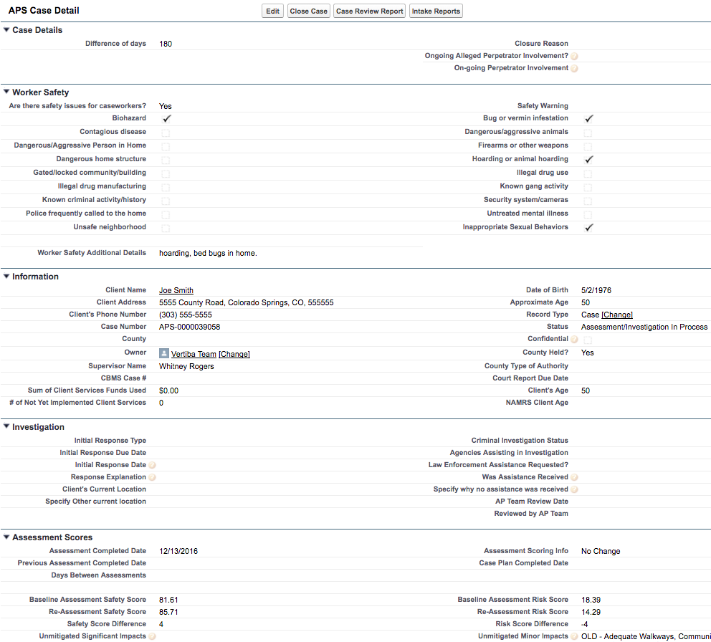
Field Label | PeerPlace Field Label | API Name | Type | Help Text
Able to Care for Themselves |  | Able_to_Care_for_Themselves__c | Picklist (Yes, No, Unknown) | Can the adult adequately care for him/herself? For example, ADLS and or IADLs or direct his/her own care for food, clothing, shelter, healthcare, supervisions without assistance?
Able to Care for Themselves Information |  | Able_to_Care_for_Themselves_Information__c | Textarea (32768) | Describe details of how the client is able/unable to care for themselves.
Actions Taken |  | Reporting_Party_Actions_Already_Taken__c | Textarea (32768) | Have any actions already been taken to try to address this issue? If yes, what has been tried?
Actions Taken Prior to this Call |  | Actions_Taken_Prior_to_this_Call__c | Checkbox
Additional Notes | Intake Path/Case Notes | Additional_Notes__c | Textarea (32000)
Adequate nutrition/hydration |  | Adequate_nutrition_hydration__c | Checkbox
Adequate supervision |  | Adequate_supervision__c | Checkbox
ADLs (toileting, bathing, hygiene, etc.) |  | ADLs_toileting_bathing_hygiene_toileting__c | Checkbox
Agencies Assisting in Investigation |  | Agencies_Assisting_in_Investigation__c | Multipicklist (Community Centered Board, DA, Law Enforcement, Ombudsman, Public Health and Environment)
Allow someone to live with them |  | Allow_someone_to_live_with_them__c | Checkbox
Appropriate medical treatment |  | Appropriate_medical_treatment__c | Checkbox
Approval Kick-off |  | Approval_Kick_off__c | Checkbox
Approval Status |  | Approval_Status__c | Picklist (New, In Review, Approved, Rejected, Resubmit)
Approximate Age | Client Profile/Basic Demographics/Approximate Age | Approximate_Age__c | Number (18, 0)
Approximate Loss of Assets |  | Approximate_Loss_of_Assets__c | Currency (15, 2) | If there is a substantiated mistreatment of exploitation, estimate the client's loss of assets.
AP Team Review Date | Case Note type: Supervisory review | AP_Team_Review_Date__c | Date
Are there existing conditions? |  | Are_there_existing_conditions__c | Picklist (Yes, No, Unknown)
Are there safety issues for caseworkers? |  | Are_there_safety_issues_for_co__c | Text (1300)
Assessment Completed Date | Case File Path/Risk Assessment/Date of completion | Re_Assessment_Completed_Date__c | Date
Assessment Count |  | Assessment_Count__c | Number (18, 0)
Assessment Scoring Info |  | Assessment_Scoring_Info__c | Text (1300)
Auxiliary_Date |  | Auxiliary_Date__c | Date
Baseline Assessment Risk Score |  | First_Assessment_Risk_Score__c | Number (3, 2)
Baseline Assessment Safety Score |  | First_Assessment_Safety_Score__c | Number (3, 2)
Bathing and hygiene |  | Bathing_and_hygiene__c | Checkbox
Best Time to Reach Client |  | Best_Time_to_Reach_Client__c | Text (255) | What is the best time to reach the client (when is the alleged perpetrator not likely to be present)?
Bills/finances |  | Bills_finances__c | Checkbox
Biohazard |  | Biohazard__c | Checkbox
Broken Bones |  | Physical_Abuse_Broken_Bones__c | Checkbox
Broken Bones |  | Sexual_Abuse_Broken_Bones__c | Checkbox
Bruises |  | Physical_Abuse_Bruises__c | Checkbox
Bruises |  | Sexual_Abuse_Bruises__c | Checkbox
Bug or vermin infestation | Similar question asked in PeerPlace but is on a High, low, medium scale | Bug_or_vermin_infestation__c | Checkbox
Caretaker Additional Details |  | Caretaker_Additional_Details__c | Textarea (5000)
Caretaker Neglect |  | Caretaker_Neglect__c | Checkbox
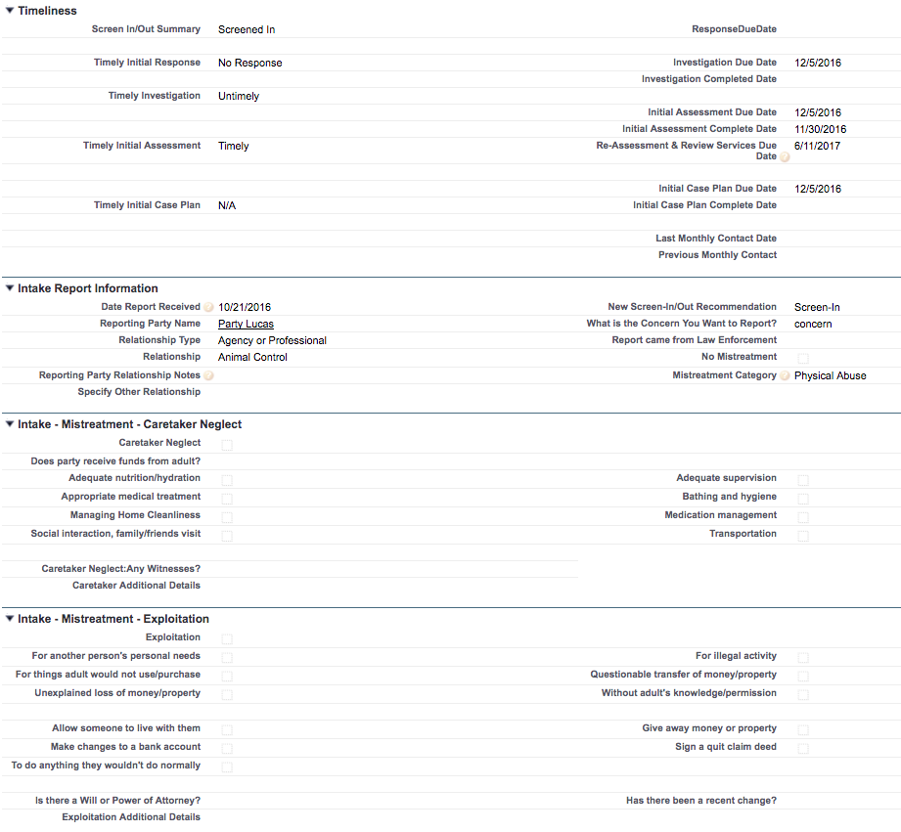
Caretaker Neglect:Any Witnesses? |  | CaretakerNeglectWereThereAnyWitness__c | Picklist (Yes, No, Unknown)
Case Closure Approval Status |  | Case_Closure_Approval_Status__c | Picklist (New, In review, Approved, Rejected, Resubmitted)
Case Closure Corrections Completed |  | Case_Closure_Corrections_Completed__c | Checkbox | Please check this box when you have made the updates to the Case and would like to resubmit for case closure.
Case Closure Summary | Intake Path/Case Notes/Closing summary | On_going_Client_Needs__c | Textarea (32768) | Brief summary of actions taken and rationale for closing case.
Case Duration |  | Case_Duration__c | Number (18, 0)
Case Number |  | Name | Text (80)
Case Plan Completed Date | Intake Plan/Care Plan/Completion Date | Case_Plan_Completed_Date__c | Date
Case Plan Count |  | Case_Plan_Count__c | Number (18, 0)
Cause Harm or Loss |  | Cause_Harm_or_Loss__c | Picklist (Yes, No, Unknown) | Has the situation caused harm or loss to the client, such as physically, financially, or otherwise?
Cause Harm or Loss Information |  | Cause_Harm_or_Loss_Information__c | Textarea (32768) | Describe any physical harm or financial loss the client has faced.
CBMS Case # |  | CBMS_Case_Number__c | Text (20)
Client Address | Already mapped in contact screen | Client_Address__c | Text (1300)
Client & Alleged Perpetrator History |  | Client_Alleged_Perpetrator_History__c | Textarea (5000)
Client At-Risk Info |  | Client_At_Risk_Info__c | Text (1300)
Client Name | Already mapped in contact screen | Client_Name__c | Lookup (Contact)
Client's Age | Already mapped in contact screen | Client_s_Age__c | Number (18, 0)
Client's Current Location |  | Client_s_Current_Location__c | Picklist (Home, Homeless Shelter, Hospital, Jail, LTC Hospital, Rehab Facility, Respite Care, Substance Abuse Treatment/Detox, Other, Skilled Nursing Facility, Assisted Living Facility)
Client's Phone Number | Already mapped in contact screen | Client_s_Phone_Number__c | Text (1300)
Closure Reason | Add ODAPS case closure reasons to PeerPlace (PeerPlace drop-down lists) | Case_Closed_Reason__c | Picklist (Adult Refuses Services, Allegations Resolved and No Other Need, Allegations Unsubstantiated No Other Needs, APS Intervention Complete, Assessment determined not an at-risk adult, Client Incarcerated, Death - After APS Response, Death - Prior to APS Response, Moved Out of State/County, Partial Assessment-Unable to Determine Needs, Phone Collaboration, Refused Contact, Safe Placement, Services Ineffective, Services Not Available, Unable to Locate)
Complicating Risks & Vulnerabilities |  | Complicating_Risks_Vulnerabilities__c | Textarea (5000)
Condition None |  | ConditionNone__c | Checkbox
Condition Requiring Total Physical Care |  | Condition_Requiring_Total_Physical_Care__c | Checkbox
Condition Unable to Manage None |  | ConditionUnabletoManageNone__c | Checkbox
Condition Unable to Manage Unknown |  | ConditionUnabletoManageUnknown__c | Checkbox
Condition Unknown |  | ConditionUnknown__c | Checkbox
Confidential |  | Confidential__c | Checkbox | Is there a conflict of interest with this case?
Contact |  | TemporaryContact__c | Lookup (Contact)
Contagious disease | Mapped elsewhere | Contagious_disease__c | Checkbox
Count of Allegations |  | Count_of_Allegations__c | Number (18, 0)
County |  | Case_County__c | Text (1300)
County Calendar |  | County_Calendar__c | Lookup (Businesshours)
County Held? |  | County_Held__c | Text (1300)
County Type of Authority |  | County_Type_of_Authority__c | Text (1300)
Court Report Completed Date |  | Court_Report_Completed_Date__c | Date
Court Report Due Date |  | Court_Report_Due_Date__c | Date
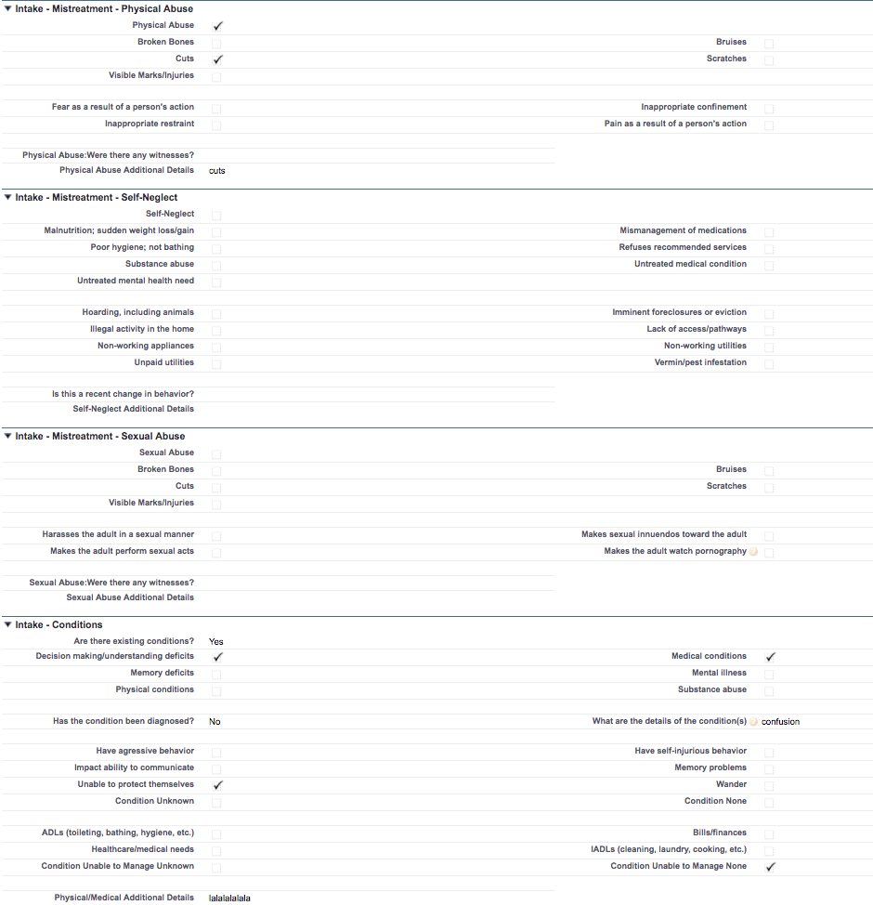
Created By ID |  | CreatedById | Lookup (User)
Created Date |  | CreatedDate | Datetime
Criminal Investigation Status |  | Criminal_Investigation_Status__c | Picklist (No Investigation, Report Sent to Law Enforcement, Criminal Investigation, Referred to DA, Prosecuted)
Cultural Considerations |  | Cultural_Considerations__c | Textarea (5000)
Current Strengths or Support in Place |  | Current_Strengths_or_Support_in_Place__c | Textarea (32768) | Please describe current strengths and support systems already in place for the client. (Examples: Family/friend supports, religious affiliations, medical insurance, HCBS, public assistance, client's doctor, employment, transportation)
Current Strengths & Supports |  | Current_Strengths_Supports__c | Textarea (5000)
Cuts |  | Physical_Abuse_Cuts__c | Checkbox
Cuts |  | Sexual_Abuse_Cuts__c | Checkbox
Danger/Harm |  | Danger_Harm__c | Textarea (5000)
Dangerous/aggressive animals | Similar question asked in PeerPlace but is on a High, low, medium scale | Dangerous_aggressive_animals__c | Checkbox
Dangerous/Aggressive Person in Home |  | Dangerous_Aggressive_Person_in_Home__c | Checkbox
Dangerous home structure | Similar question asked in PeerPlace but is on a High, low, medium scale | Dangerous_home_structure__c | Checkbox
Date Case Closed | Intake Path/Date of Case Closure | Date_Case_Closed__c | Date
Date of Birth | Mapped elsewhere | Date_of_Birth__c | Date
Date of Death | Mapped elsewhere | Date_of_Death__c | Date
Date Report Received | CIU Initial Assessment/Date | Date_Report_Received__c | Date | The date the intake report was received.
Days Between Assessments |  | Days_Between_Assessments__c | Number (18, 0)
Days of Inactivity |  | Days_of_In_Activity__c | Number (18, 0)
Days Open |  | Days_Open__c | Number (18, 0)
Decision making/understanding deficits | Similar question asked in PeerPlace but is on a High, low, medium scale | Decision_making_understanding_deficits__c | Checkbox
Decline in abilities |  | Decline_in_abilities__c | Picklist (Yes, No, Unknown) | Has there been any decline in the client’s abilities, such as mentally, physically, or medically?
Decline in abilities information |  | Decline_in_abilities_information__c | Textarea (32768) | Describe any decline in abilities the client has had in mental, physical or medical.
Deleted |  | IsDeleted | Checkbox
Dementia/Alzheimer's | Client Profile/Social History/Disability Type: If yes, select Dementia/Alzheimers | Dementia_Alzheimer_s__c | Checkbox
Developmental/Intellectual Disability | Client Profile/Social History/Disability Type: If yes, select MR/DD | Developmental_Intellectual_Disability__c | Checkbox
Diagnosed Mental Illness | Client Assessment/Mental Health/Diagnosed Mental Health Problem : Type = radio button | Diagnosed_Mental_Illness__c | Picklist (Yes, No, Unknown) | Does the client have a diagnosed mental illness or shows signs of a mental illness?
Diagnosed Mental Illness Info | Client Assessment/Mental Health/Diagnosed Mental Health Problem, If yes, please explain | Diagnosed_Mental_Illness_Info__c | Textarea (32768) | If yes, ask follow up questions: Is the client in treatment or taking medication? If not, how is the mental illness being managed? "Do you know what the diagnosis is, what medications the client is taking, or where they are receiving treatment?
Difference of days |  | Difference_of_days__c | Number (18, 0)
Disposition/Next Steps |  | DispostionNextSteps__c | Textarea (5000)
Documents Verified |  | Documents_for_Legal_Authority__c | Picklist (Yes, No, Unknown) | Have you seen documentation of the legal authority? We're not sure what this field is or where it's located so not sure this is needed or not.
Does adult have support/help in place? | Intake Path:Client Assessment/Caregiver support information: Does the person have a family, friend(s) and/or neighbor(s) who help or could help with care | Does_adult_have_support_help_in_place__c | Picklist (Yes, No, Unknown)
Does alleged perp have access to adult? |  | Does_alleged_perp_have_access_to_adult__c | Picklist (Yes, No, Unknown)
Does Alleged Perp Hold Legal Authority |  | Does_Perp_Hold_Legal_Authority__c | Picklist (Yes, No, Unknown)
Does Alleged Perp Live with Client? | Mapped elsewhere | Does_Perp_Live_with_Client__c | Picklist (Yes, No, Unknown)
Does party receive funds from adult? |  | Does_party_receive_funds_from_adult__c | Picklist (Yes, No, Unknown)
Emergency/Immediate Harm |  | Emergency_Immediate_Harm__c | Checkbox
Emergency/Immediate Harm Information |  | Emergency_Immediate_Harm_Information__c | Textarea (32768) | Is the adult in immediate danger or harm? Is this an emergency that will require an emergency response from paramedics or law enforcement?
Evidence of Abuse, Neglect, Exploitation | Intake Path/Case Note | Evidence_of_Neglect_Exploitation_and_A__c | Textarea (32768) | Describe what you saw and evidence you collected.
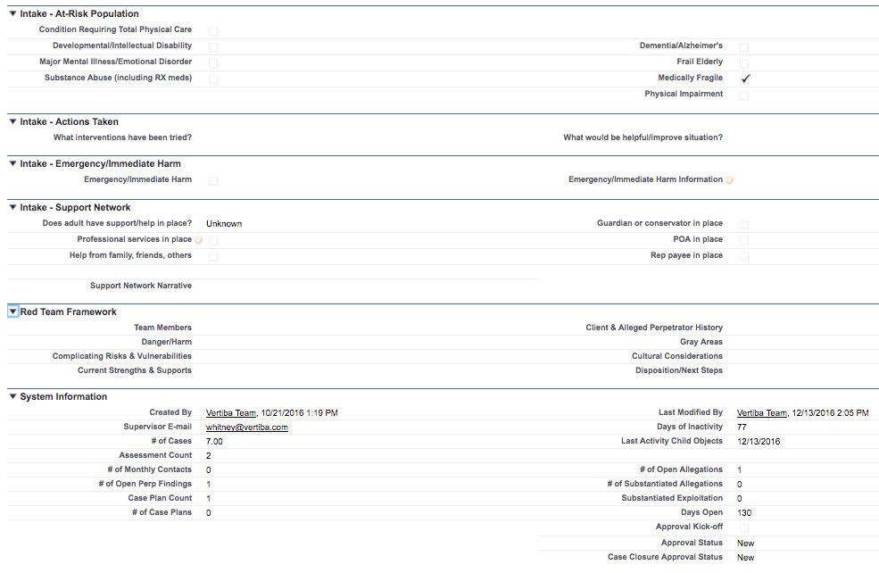
Explain How Client is Being Mistreated | Intake Path/Case Note | Explain_Why_Adult_is_Being_Mistreated__c | Textarea (32768) | Explain why you think this client is being abused, neglected, exploited or is self-neglecting. Please give specific details. Follow Up: How long has this been occurring? How often does it happen?
Exploitation | IA Record/CIU Initial Assessment/Allegation (APS referral only):If yes, select "exploitation" | Exploitation__c | Checkbox
Exploitation Additional Details |  | Exploitation_Additional_Details__c | Textarea (5000)
Fear as a result of a person's action |  | Fear_as_a_result_of_a_person_s_action__c | Checkbox
Firearms or other weapons | IA Record/CIU Initial Assessment/Risk Factor :If yes, select "weapons" | Firearms_or_other_weapons__c | Checkbox
For another person's personal needs |  | For_another_person_s_personal_needs__c | Checkbox
For illegal activity |  | For_illegal_activity__c | Checkbox
For things adult would not use/purchase |  | For_things_adult_would_not_use_purchase__c | Checkbox
Frail Elderly | Client Profile/Social History/Frail Disabled | Frail_Elderly__c | Checkbox
Gated/locked community/building |  | Gated_locked_community_building__c | Checkbox
Gender Code |  | Gender_Code__c | Text (1300)
Give away money or property |  | Give_away_money_or_property__c | Checkbox
Gray Areas |  | Gray_Areas__c | Textarea (5000)
Guardian or conservator in place | Intake Path/Client Assessment/Legal/Guardian? | Guardian_or_conservator_in_place__c | Checkbox
Harasses the adult in a sexual manner |  | Harasses_the_adult_in_a_sexual_manner__c | Checkbox
Has the condition been diagnosed? |  | Has_the_condition_been_diagnosed__c | Picklist (Yes, No, Unknown)
Has there been a recent change? |  | Has_there_been_a_recent_change__c | Picklist (Yes, No, Unknown)
Have agressive behavior |  | Have_agressive_behavior__c | Checkbox
Have self-injurious behavior | Similar question asked in PeerPlace but is on a High, low, medium scale | Have_self_injurious_behavior__c | Checkbox
Healthcare/medical needs |  | Healthcare_medical_needs__c | Checkbox
Help from family, friends, others | Mapped elsewhere | Help_from_family_friends_others__c | Checkbox
Hoarding, including animals | Mapped elsewhere | Hoarding_including_animals__c | Checkbox
Hoarding or animal hoarding | Mapped elsewhere | Hoarding_or_animal_hoarding__c | Checkbox
IADLs (cleaning, laundry, cooking, etc.) |  | IADLs_cleaning_laundry_cooking__c | Checkbox
Illegal activity in the home |  | Illegal_activity_in_the_home__c | Checkbox
Illegal drug manufacturing |  | Illegal_drug_manufacturing__c | Checkbox
Illegal drug use |  | Illegal_drug_use__c | Checkbox
Imminent foreclosures or eviction | Similar question asked in PeerPlace but is on a High, low, medium scale | Imminent_foreclosures_or_eviction__c | Checkbox
Impact ability to communicate |  | Impact_ability_to_communicate__c | Checkbox
Inappropriate confinement |  | Inappropriate_confinement__c | Checkbox
Inappropriate restraint |  | Inappropriate_restraint__c | Checkbox
Inappropriate Sexual Behaviors |  | Inappropriate_Sexual_Behaviors__c | Checkbox
Initial Assessment Complete Date | Intake Path/Client Assessment/Date | Initial_Assessment_Complete_Date__c | Date
Initial Assessment Due Date |  | Initial_Assessment_Due_Date__c | Date
Initial Case Plan Complete Date | Intake Path/Care Plan/Date | Initial_Case_Plan_Complete_Date__c | Date
Initial Case Plan Due Date |  | Initial_Case_Plan_Due_Date__c | Date
Initial Response Date |  | Initial_Response_Date__c | Date | Enter the earliest date of either your first attempted or actual visit with the client or the date you contacted a professional to ascertain the client's immediate safety.
Initial Response Due Date |  | Initial_Response_Due_Date__c | Date
Initial Response Type |  | Initial_Response_Type__c | Picklist (Attempted Client Visit, Client Visit, Phone Call to Ascertain Safety)
# In-progress case plans |  | In_progress_case_plans__c | Number (18, 0)
Interviews | Intake Path/Case Notes | Interviews__c | Textarea (32768)
Investigation Approval Status |  | Investigation_Approval_Status__c | Picklist (New, Waiting Approval, Approved)
Investigation Completed Date | Intake Path/Investigation Outcome/Date | Investigation_Completed_Date__c | Date
Investigation Due Date |  | Investigation_Due_Date__c | Date
In what capacity does perp have access? |  | In_what_capacity_does_perp_have_access__c | Textarea (1000)
Is there a Will or Power of Attorney? | Intake Path/Client Assessment/Legal/Living Will? | Is_there_a_Will_or_Power_of_Attorney__c | Picklist (Yes, No, Unknown)
Is this a recent change in behavior? |  | Is_this_a_recent_change_in_behavior__c | Picklist (Yes, No, Unknown)
Known criminal activity/history |  | Known_criminal_activity_history__c | Checkbox
Known gang activity |  | Known_gang_activity__c | Checkbox
Lack of access/pathways | Intake Path/Client Assessment/Home Environment Safety Evaluation/Walking pathways are level, uncluttered and have non-skid surfaces (If checked in ODAPS, choose "no" in PeerPlace | Lack_of_access_pathways__c | Checkbox
Last Activity Child Objects |  | Last_Activity_Child_Objects__c | Date
Last Activity Date |  | LastActivityDate | Date
Last Modified By ID |  | LastModifiedById | Lookup (User)
Last Modified Date |  | LastModifiedDate | Datetime
Last Monthly Contact Date |  | Last_Monthly_Contact_Date__c | Date
Last Referenced Date |  | LastReferencedDate | Datetime
Last Viewed Date |  | LastViewedDate | Datetime
Law Enforcement Assistance Requested? |  | Law_Enforcement_Requested_by_APS__c | Picklist (Yes, No)
Major Mental Illness/Emotional Disorder | Intake Path/Client Assessment/Mental Health/Diagnosed Mental Health Problems. If checked in ODAPS, select "yes" in PeerPlace | Major_Mental_Illness_Emotional_Disorder__c | Checkbox
Make changes to a bank account |  | Make_changes_to_a_bank_account__c | Checkbox
Makes sexual innuendos toward the adult |  | Makes_sexual_innuendos_toward_the_adult__c | Checkbox
Makes the adult perform sexual acts |  | Makes_the_adult_perform_sexual_acts__c | Checkbox
Makes the adult watch pornography |  | Makes_the_adult_watch_pornography__c | Checkbox | Make the adult watch pornography or other sexual acts
Malnutrition; sudden weight loss/gain |  | Malnutrition_sudden_weight_loss_gain__c | Checkbox
Managing Home Cleanliness | Intake Path/Client Asssessment/Home Environment Safety Evaluation/Overall Environment is adequately sanitary for the provision of care | Managing_Home_Cleanliness__c | Checkbox
Marital Status Code |  | Marital_Status_Code__c | Text (1300)
Medical conditions |  | Medical_conditions__c | Checkbox
Medically Fragile |  | Medically_Fragile__c | Checkbox
Medication management | Similar question asked in PeerPlace but is on a High, low, medium scale | Medication_management__c | Checkbox
Memory/Decision Making Problems |  | Memory_Decision_Making_Problems__c | Picklist (Yes, No, Unknown) | Does the adult have difficulty with memory/making decisions/understanding things, or any developmental delays that impair their ability to care for themselves? If yes, is the adult unable to advocate him/herself, or able to obtain services as a result?
Memory/Decision Making Problems Info |  | Memory_Decision_Making_Problems_Info__c | Textarea (32768)
Memory deficits |  | Memory_deficits__c | Checkbox
Memory problems | Client Assessment/Mental Health/Cognitive/Emotional Status: Select "Memory Deficit" | Memory_problems__c | Checkbox
Mental illness | Mapped elsewhere | Mental_illness__c | Checkbox
Mismanagement of medications | Similar question asked in PeerPlace but is on a High, low, medium scale | Mismanagement_of_medications__c | Checkbox
Mistreatment Category |  | Mistreatment_Category__c | Multipicklist (Caretaker Neglect, Exploitation, Physical Abuse, Self-Neglect, Sexual Abuse, None) | Select all that apply.
Monthly Contact Due Date |  | Monthly_Contact_Due_Date__c | Date
NAMRS Client Age |  | NAMRS_Client_Age__c | Text (1300)
Neurological Impairment - Stroke, TBI MS |  | Neurological_Impairment_Stroke_TBI_MS__c | Checkbox
New Screen-In/Out Recommendation |  | NewScreeninOutRecommendation__c | Text (1300)
Next Case Plan Due Date |  | Next_Case_Plan_Due_Date__c | Date
No At-Risk Issues |  | No_At_Risk_Issues__c | Checkbox
No Mistreatment |  | No_Mistreatment__c | Checkbox
Non-working appliances | Client Assessment/Home Environment Safety Evaluation/Appliances in the client's residences are in good working order: If checked in ODAPS, select "no' in PeerPlace | Non_working_appliances__c | Checkbox
Non-working utilities | Similar question asked in PeerPlace but is on a High, low, medium scale | Non_working_utilities__c | Checkbox
No Physical/Medical Condition |  | No_Physical_Medical_Condition__c | Checkbox
# of Case Plans |  | of_Case_Plans__c | Number (18, 0)
# of Cases |  | Xof_Cases__c | Number (16, 2)
# of Intakes |  | Xof_Intakes__c | Number (16, 2)
# of Monthly Contacts |  | Xof_Monthly_Contacts__c | Number (18, 0)
# of Not Yet Implemented Client Services |  | of_Not_Yet_Implemented_Client_Services__c | Number (18, 0)
# of Open Allegations |  | of_Open_Allegations__c | Number (18, 0)
# of Open Perp Findings |  | of_Open_Perp_Findings__c | Number (18, 0)
# of Substantiated Allegations |  | of_Substantiated_Allegations__c | Number (18, 0)
Ongoing Alleged Perpetrator Involvement? | Intake Path/Case Note | Ongoing_Alleged_Perpetrator_Involvement__c | Picklist (Yes, No, N/A) | Regardless of the finding, indicate if there is involvement of the alleged perpetrator and the client (lives in home, POA, etc.). Select “N/A” if this is a self-neglect case or if the alleged perpetrator/client could not be located, died, etc.
On-going Perpetrator Involvement |  | On_going_Perpetrator_Involvement__c | Textarea (32768) | Please document any on-going involvement the client has with the perpetrator, and the nature of the involvement e.g. perpetrator remains in the client's home, perpetrator retains POA, or perpetrator no longer in contact with the client.
Other Involved Parties |  | Other_Involved_Parties__c | Textarea (32768) | Is there anyone else who may have additional knowledge or information of the client’s situation?
Owner ID |  | OwnerId | Lookup (Group, User)
Owner Profile |  | Owner_Profile__c | Text (1300)
Pain as a result of a person's action |  | Pain_as_a_result_of_a_person_s_action__c | Checkbox
Perp Legal Authority Type |  | Perp_Legal_Authority_Type__c | Picklist (Attorney, Guardian Ad Litem, Medical Proxy, Power of Attorney - Medical, Power of Attorney - Financial, Other)
Physical Abuse |  | Physical_Abuse__c | Checkbox
Physical Abuse Additional Details |  | Physical_Abuse_Additional_Details__c | Textarea (5000)
Physical Abuse:Were there any witnesses? |  | Physical_Abuse_Were_there_any_witnesses__c | Picklist (Yes, No, Unknown)
Physical conditions |  | Physical_conditions__c | Checkbox
Physical Impairment |  | Physical_Impairment__c | Checkbox
Physical/Medical Additional Details |  | Physical_Medical_Additional_Details__c | Textarea (5000)
Physical/Medical Conditions |  | Physical_Medical_Conditions__c | Picklist (Yes, No, Unknown) | Does the adult have any physical, medical, or mental conditions that impairs his/her ability to care for himself/herself? If yes, is the adult unable to provide for his/her own activities of daily living due to these conditions?
Physical/Medical Conditions Information |  | Physical_Medical_Conditions_Information__c | Textarea (32768)
POA in place | Client Assessment/Legal/Power of Attorney? : Type = radio button | POA_in_place__c | Checkbox
Police frequently called to the home |  | Police_frequently_called_to_the_home__c | Checkbox
Poor hygiene; not bathing | Similar question asked in PeerPlace but is on a High, low, medium scale | Poor_hygiene_not_bathing__c | Checkbox
Previous Assessment Completed Date | Date of previous client assessments? | Previous_Assessment_Completed_Date__c | Date
Previous Monthly Contact |  | Previous_Monthly_Contact__c | Date
Primary Language Code |  | Primary_Language_Code__c | Text (1300)
Professional services in place |  | Professional_services_in_place__c | Checkbox | Other than support from family and friends, is the adult getting services from an agency or professional, such as home care or home delivered meals?
Questionable transfer of money/property |  | Questionable_transfer_of_money_property__c | Checkbox
Ready to Close Case |  | Ready_to_Close_Case__c | Checkbox | Check this field when you are ready for your supervisor to approve and close your case.
Re-Assessment & Review Services Due Date |  | Re_Assessment_Due_Date__c | Date | Date the client's re-assessment is due and when all client services should be reviewed for effectiveness.
Re-Assessment Risk Score |  | Last_Assessment_Risk_Score__c | Number (3, 2)
Re-Assessment Safety Score |  | Last_Assessment_Safety_Score__c | Number (3, 2)
Recommendation Percent Score |  | Recommendation_Percent_Score__c | Percent (18, 0)
Record ID |  | Id | Id (18)
Record Type ID |  | RecordTypeId | Lookup (Recordtype)
Refuses recommended services |  | Refuses_recommended_services__c | Checkbox
Relationship | IA/Record/Care ReceiverWho is the IA Contact-Match choices in PeerPlace with choices in ODAPS | Reporting_Party_Relationship_Role__c | Picklist (3rd Party/Non-Participating Contact, Animal Control, Anonymous, Aunt, Brother, Case Worker/Manager (Non-DHS), Chiropractor, Clergy/Spiritual Leader/Church, Code Enforce/Environment Test/Health Dept, Community Agency, Conservator, Coroner/Medical Examiner, County DHS, Cousin, DA/Judge/County Clerk/Court, Daughter, Day Program Staff, DD System/ARC Advocate, Dentist, Dept of Correct/Parole/Probation Officer, Emergency Services Provider, Employer/Co-Worker, Ex-Spouse/Partner, Father, Financial Advisor/Accountant, Financial Institution Personnel, Fire Personnel, Friend, GAL - Guardian ad Litem, Granddaughter, Grandfather, Grandmother, Grandson, Guardian, Home Care Placement Personnel, Home Health Agency/Provider, Homeless/DV/Other Shelter Staff, Home Maker Provider, Hospice, Hospital, Hotline/Crisis Center, Landlord/Housing/Hotel Staff/HOA, Law Enforcement, Lawyer/Paralegal/Mediator, LTC Facility Staff/Volunteer, Medical Admin/Director of Nursing, Medical Case Manager/Worker, Mental/Behavioral Health Professional, Mother, Neighbor, Nephew, Niece, Nurse/RN/LPN/Practitioner/Assistant/CNA, Nursing Home Staff, Occupational Therapist, Ombudsman, Other, Pharmacist, Physical Therapist, Physician/Chiropractor/Staff, POA - Power of Attorney, Podiatrist, Relative - Specific Relation Unknown, Representative Payee, Resident at same facility, Roommate, School Personnel, Self, Senior Center/Resource, SEP - Single Entry Point, Shelter Staff, Sister, Social Work Practitioner, Son, Spouse/Partner, Uncle, VA - Veterans Affairs, Veterinarian) | Inake: Specific reporting party relationship to client
Relationship Type | IA Record/Care Receiver/Classification of IA Contact: Update PeerPlace drop-down list | Reporting_Party_Relationship_to_Client__c | Picklist (Agency or Professional, Community or Family Member) | Intake: Reporting party relationship to client - captured at Intake
Report Came from Law Enforce Due to MR |  | Mandated_Report__c | Picklist (YES, NO) | Answer 'yes' if this report was initially received by law enforcement from a mandatory reporter in compliance with the mandatory reporting law and then was shared with APS.
Report came from Law Enforcement | IA Record/Care Receiver/Who is the IA Contact: If "yes" selected in ODAPS, select "Police" in PeerPlace | Report_came_from_Law_Enforcement__c | Picklist (Yes, No) | Intake
Reporting Party Actions |  | Reporting_Party_Actions__c | Textarea (32768) | What actions has the reporting party taken in addressing the issue.
Reporting Party Name |  | Reporting_Party_Name__c | Lookup (Contact) | Intake: Reporting party name captured at intake.
Reporting Party Relationship Notes |  | Reporting_Party_Relationship_Notes__c | Text (50) | Intake: Enter any notes about the relationship (stepsister, father-in-law, half-brother, great-grandmother, etc.).
Rep payee in place |  | Rep_payee_in_place__c | Checkbox
ResponseDueDate |  | ResponseDueDate__c | Date
Response Explanation |  | Response_Explanation__c | Textarea (256) | Provide additional explanation if initial response was attempted client visit or phone call.
Reviewed by AP Team |  | Reviewed_by_AP_Team__c | Lookup (Ap_Team__C)
Risk Score Difference |  | Risk_Score_Difference__c | Number (18, 0)
Risk Score Outcome |  | Risk_Score_Outcome__c | Percent (3, 2)
Safety Improvement Percentage |  | Safety_Improvement_Percentage__c | Percent (18, 0)
Safety Perception |  | Safety_Perception__c | Number (2, 0) | On a safety scale of 1 to 10, where 10 means the client is very safe and you are minimally concerned and 1 means the client is extremely unsafe and you are extremely concerned, how would you score your concern for this person’s safety?
Safety Score Difference |  | Safety_Score_Difference__c | Number (18, 0)
Safety Score Outcome |  | Safety_Score_Outcome__c | Percent (3, 2)
Safety Warning |  | Safety_Warning__c | Text (1300)
Scorecard Review |  | Scorecard_Review__c | Checkbox
Scratches |  | Physical_Abuse_Scratches__c | Checkbox
Scratches |  | Sexual_Abuse_Scratches__c | Checkbox
Screen In/Out Recommendation |  | Screen_In_Screen_Out_Recommendation__c | Text (1300)
Screen In/Out Summary |  | Screen_In_Out_Summary__c | Text (1300)
Screen Out Reason |  | Screen_Out_Reason__c | Picklist (Does Not Meet Criteria as an At-Risk Adult, No/No Current mistreatment, Current Open Case, Current allegations investigated in recent case., Competent client has history of refusing services or being non-compliant with services, Concerns Being Addressed; APS Intervention Not Needed, Referred to Appropriate Agency; APS Inappropriate, Caller Only Requesting Information or Resources, Not enough info to locate client) | Select reason report was screened out.
Security system/cameras |  | Security_system_cameras__c | Checkbox
Self-Neglect | IA Record/CIU Initial Assessment/Allegation (APS referral only):If yes, select "self-neglect" | Self_Neglect__c | Checkbox
Self-Neglect Additional Details |  | Self_Neglect_Additional_Details__c | Textarea (5000)
Sexual Abuse |  | Sexual_Abuse__c | Checkbox
Sexual Abuse Additional Details |  | Sexual_Abuse_Additional_Details__c | Textarea (5000)
Sexual Abuse:Were there any witnesses? |  | Sexual_Abuse_Were_there_any_witnesses__c | Picklist (Yes, No, Unknown)
Sign a quit claim deed |  | Sign_a_quit_claim_deed__c | Checkbox
Social interaction, family/friends visit |  | Social_interaction_family_friends_visit__c | Checkbox
Specify if No |  | Specify_if_No__c | Textarea (32768) | If no law enforcement assistance was requested by APS, provide details as to why.
Specify Other |  | Case_Closed_Additional_Information__c | Textarea (32768)
Specify Other current location |  | Specify_Other_current_location__c | Text (255)
Specify Other Relationship |  | Specify_Other_Relationship__c | Textarea (255) | Intake: Used for other reporting party relationship to client
Specify Other Screen Out Reason |  | Specify_Other_Screen_Out_Reason__c | Text (50)
Specify why no assistance was received |  | Specify_why_no_assistance_was_received__c | Textarea (32768) | If law enforcement assistance was requested but was not received, provide an explanation as to why not.
Status |  | Status__c | Picklist (New, Screened In, Screened Out, Assessment/Investigation In Process, Case Plan Complete, Transfer to Another County, Case Closed, Pending Close Case)
Substance abuse | Previously mapped to CIU Initial Assessment | Substance_abuse__c | Checkbox
Substance abuse | Previously mapped to CIU Initial Assessment | Self_Neglect_Substance_Abuse__c | Checkbox
Substance Abuse (including RX meds) |  | Substance_Abuse_including_RX_meds__c | Checkbox
Substantiated Exploitation | Closing reason? Investigation outcome | Substantiated_Exploitation__c | Number (18, 0)
Sum of Client Services Funds Used |  | Sum_of_County_Funds_Used__c | Currency (15, 2)
Supervisor | In PeerPlace, supervisors are assigned at the time of referrral | Supervisor__c | Lookup (User)
Supervisor E-mail |  | Supervisor_E_mail__c | Email (80)
Supervisor Name | In PeerPlace, supervisors are assigned at the time of referrral | Supervisor_Name__c | Text (1300)
Support Network Lives with Client | Client Assessment/Caregiver Support Information/Caregiver living in the household? | Support_Network_Lives_with_Client__c | Picklist (Yes, No, Unknown)
Support Network Narrative | Client Assessment/Caregiver Support Information/Degree of involvement (type of help & frequency of help) | Support_Network_Narrative__c | Textarea (5000)
System Modstamp |  | SystemModstamp | Datetime
Team Members |  | Team_Members__c | Textarea (1000)
Test Date |  | Test_Date__c | Date
Timely Initial Assessment |  | Timely_Initial_Assessment__c | Text (1300)
Timely Initial Case Plan |  | Timely_Initial_Case_Plan__c | Text (1300)
Timely Initial Response |  | Late_Initial_Response__c | Text (1300)
Timely Investigation |  | Timely_Investigation__c | Text (1300)
Timely Monthly Contact |  | Timely_Monthly_Contact__c | Text (1300)
To do anything they wouldn't do normally |  | To_do_anything_they_wouldn_t_do_normally__c | Checkbox
Transportation |  | Transportation__c | Checkbox
Unable to Care for Themselves |  | Unable_to_Care_for_Themselves__c | Picklist (Yes, No, Unknown) | Is the client unable to adequately care for him/herself? For example, ADLS and or IADLs or direct his/her own care for food, clothing, shelter, healthcare, supervisions without assistance? Is the client unable to care for themselves in a safe manner?
Unable to Care for Themselves Info |  | Unable_to_Care_for_Themselves_Info__c | Textarea (32768)
Unable to protect themselves |  | Unable_to_protect_themselves_checkbox__c | Checkbox
Unable to Protect Themselves |  | Unable_to_Protect_Themselves__c | Picklist (Yes, No, Unknown) | Is the client unable to protect him/herself from mistreatment because of the impairment or need for assistance?
Unable to Protect Themselves Information |  | Unable_to_Protect_Themselves_Information__c | Textarea (32768)
Unexplained loss of money/property | Similar question asked in PeerPlace but is on a High, low, medium scale | Unexplained_loss_of_money_property__c | Checkbox
Unknown At-Risk Population |  | Unknown_At_Risk_Population__c | Checkbox
Unmitigated Minor Impacts |  | Minor_Impacts__c | Textarea (131072) | Displays all risk factors from the Baseline assessment that have a minor impact that are not mitigated. These also show in the Case Plan.
Unmitigated Significant Impacts |  | Significant_Impacts__c | Textarea (131072) | Displays all risk factors from the Baseline assessment that have a significant impact that are not mitigated. These also show in the Case Plan.
Unpaid utilities |  | Unpaid_utilities__c | Checkbox
Unsafe neighborhood | Client Assessment/Housing Status/Is neighborhood safety an issue. If yes in ODAPS, select yes in PeerPlace | Unsafe_neighborhood__c | Checkbox
Unsafe structure | Client Assessment/Home Environment Safety Evaluation/Building/Structure of the client's residence is safe: If checked in ODAPS, select "no" in PeerPlace | Unsafe_structure__c | Checkbox
Untreated medical condition |  | Untreated_medical_condition__c | Checkbox
Untreated mental health need |  | Untreated_mental_health_need__c | Checkbox
Untreated mental illness |  | Untreated_mental_illness__c | Checkbox
Vermin/pest infestation | Similar question asked in PeerPlace but is on a High, low, medium scale | Vermin_pest_infestation__c | Checkbox
Visible Marks/Injuries | Similar question asked in PeerPlace but is on a High, low, medium scale | Physical_Abuse_Visible_Marks__c | Checkbox
Visible Marks/Injuries |  | Sexual_Abuse_Visible_Marks__c | Checkbox
Wander |  | Wander__c | Checkbox
Was Assistance Received |  | Was_Assistance_Received__c | Picklist (Yes, No) | If law enforcement assistance was requested, was it received?
What are the details of the condition(s) | Intake path/Case note | What_are_the_details_of_the_conditions__c | Textarea (5000) | What is the diagnosis and the details of the condition(s)?
What interventions have been tried? | Intake path/Case note | What_interventions_have_been_tried__c | Textarea (1000)
What is the Concern You Want to Report? | Intake path/Case note | What_is_the_Concern_You_Want_to_Report__c | Textarea (5000) | Intake: Concern the Reporting party is calling to report on.
What Prompted the Call Today? | Intake path/Case note | Why_Did_Reporting_Party_Call__c | Textarea (32768) | What happened to make you call today?
What would be helpful/improve situation? | Intake path/Case note | What_would_be_helpful_improve_situation__c | Textarea (1000)
Who is responsible for adult's care? | Intake path/Case note | Who_is_responsible_for_adult_s_care__c | Textarea (1000)
Without adult's knowledge/permission | Question in referrral screen | Without_adult_s_knowledge_permission__c | Checkbox
Worker Safety Additional Details | Intake path/Case note | Safety_Notes__c | Text (1300)
Worker Safety Concerns | Intake path/Case note | Worker_Safety_Concerns__c | Text (1300)
Worker Safety Issues |  | Worker_Safety_Issues__c | Checkbox
Worker Safety Issues Description | Intake path/Case note | Worker_Safety_Issues_Desc__c | Textarea (1000)

